top 10 movies revenue

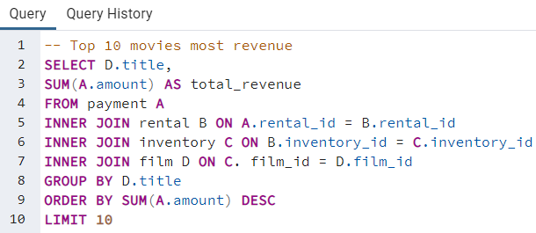
title | total_revenue
Telegraph Voyage | 215.75
Zorro Ark | 199.72
Wife Turn | 198.73
Innocent Usual | 191.74
Hustler Party | 190.78
Saturday Lambs | 190.74
Titans Jerk | 186.73
Harry Idaho | 177.73
Torque Bound | 169.76
Dogma Family | 168.72

bottom 10 movies revenue

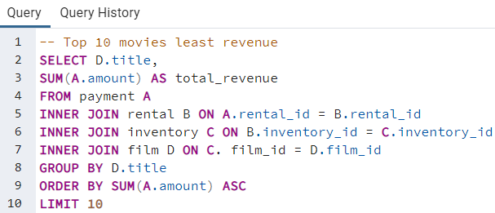
title | total_revenue
Texas Watch | 5.94
Oklahoma Jumanji | 5.94
Duffel Apocalypse | 5.94
Freedom Cleopatra | 5.95
Young Language | 6.93
Rebel Airport | 6.93
Cruelty Unforgiven | 6.94
Treatment Jekyll | 6.94
Lights Deer | 7.93
Stallion Sundance | 7.94

average rental duration by genr
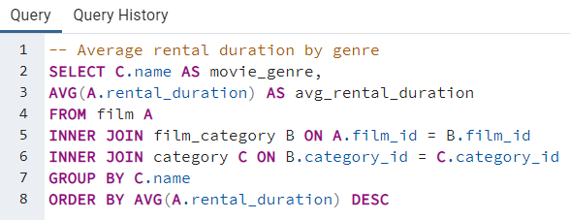
movie_genre | avg_rental_duration
Thriller | 6
Travel | 5.350877193
Music | 5.2352941176
Family | 5.1617647059
Foreign | 5.1095890411
Drama | 5.0806451613
Classics | 5.0701754386
Games | 5.0655737705
Children | 5.0333333333
Action | 4.953125
Comedy | 4.9310344828
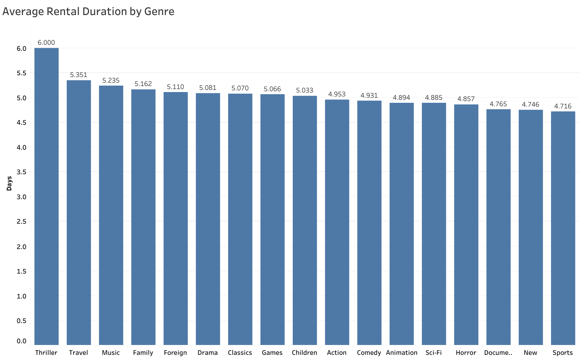
Animation | 4.8939393939
Sci-Fi | 4.8852459016
Horror | 4.8571428571
Documentary | 4.7647058824
New | 4.746031746
Sports | 4.7162162162

Top 10 countries by customer co
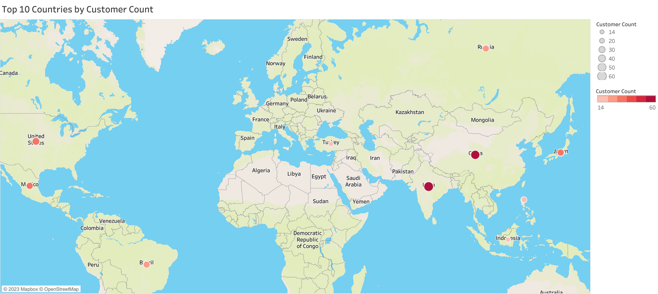
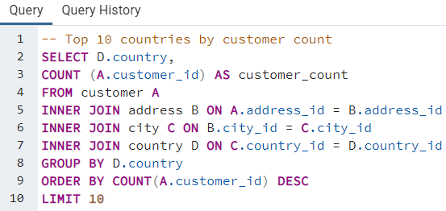
country | customer_count
India | 60
China | 53
United States | 36
Japan | 31
Mexico | 30
Brazil | 28
Russian Federation | 28
Philippines | 20
Turkey | 15
Indonesia | 14

Top 5 customers with high lifet
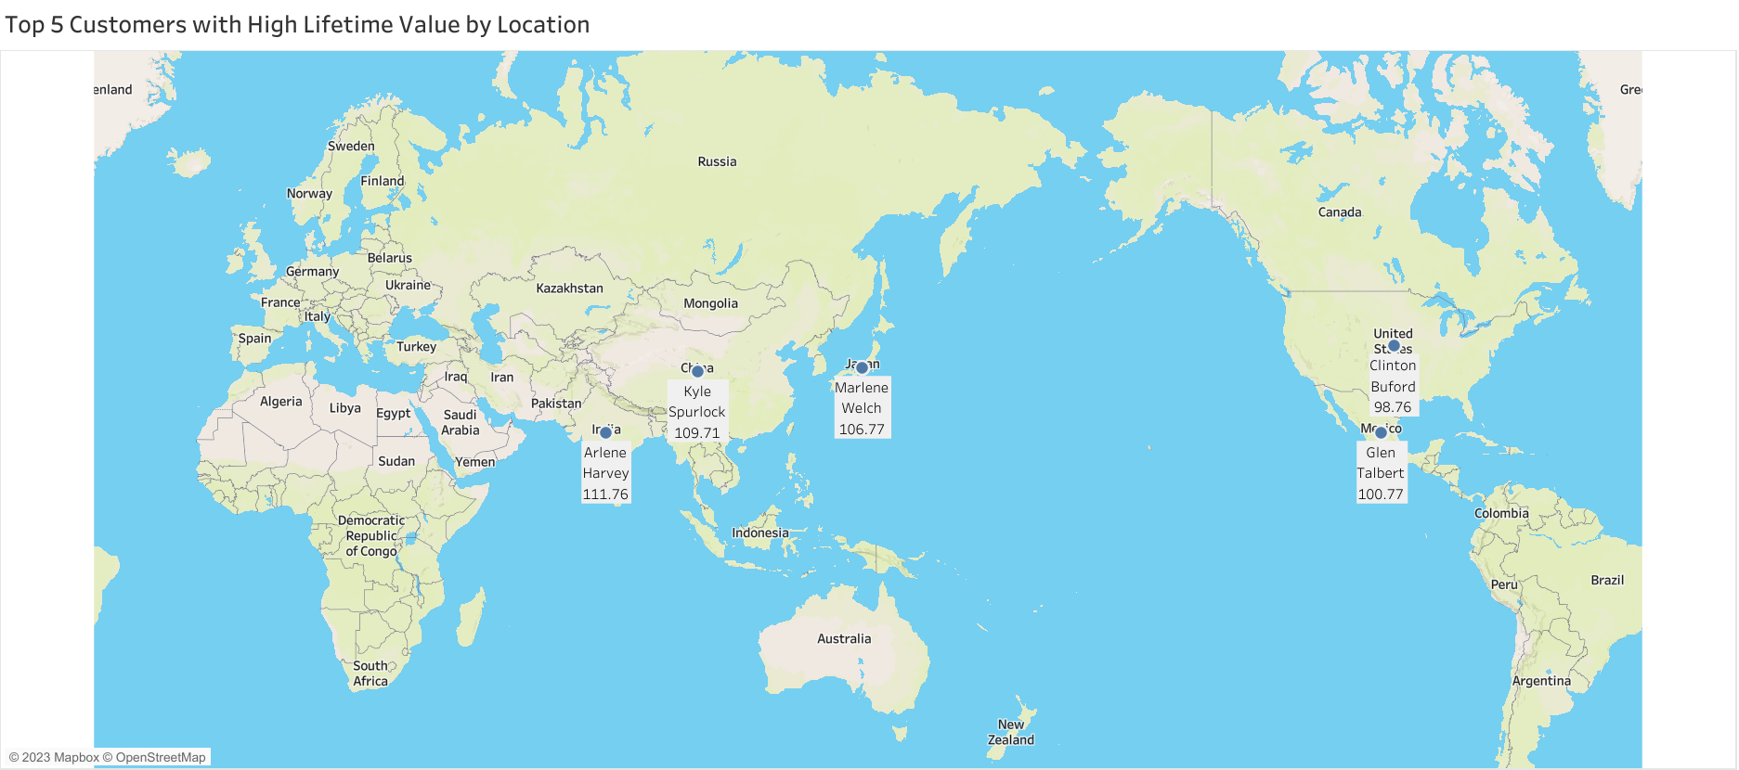
customer_id | first name | last name | country | city | amount paid
225 | Arlene | Harvey | India | Ambattur | 111.76
424 | Kyle | Spurlock | China | Shanwei | 109.71
240 | Marlene | Welch | Japan | Iwaki | 106.77
486 | Glen | Talbert | Mexico | Acua | 100.77
537 | Clinton | Buford | United States | Aurora | 98.76

Total revenue per country
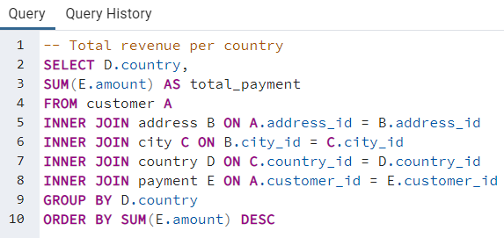
country | total_payment
India | 6034.78
China | 5251.03
United States | 3685.31
Japan | 3122.51
Mexico | 2984.82
Brazil | 2919.19
Russian Federation | 2765.62
Philippines | 2219.7
Turkey | 1498.49
Indonesia | 1352.69
Nigeria | 1314.92
Argentina | 1298.8
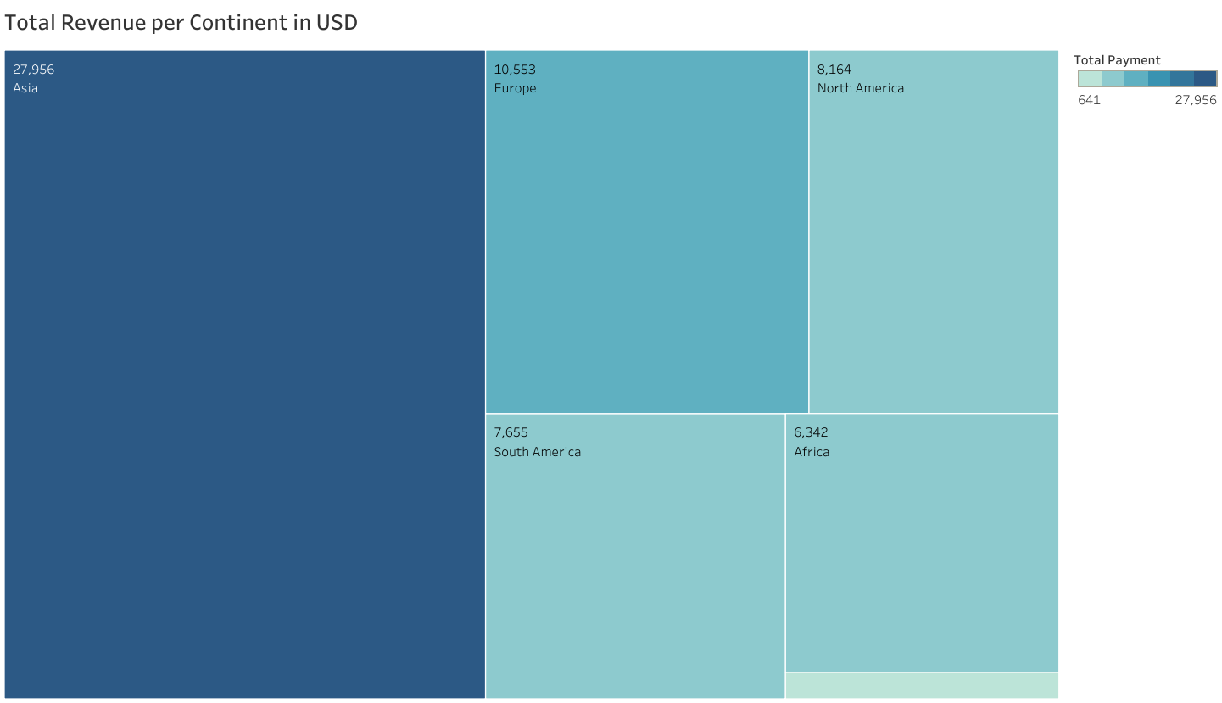
Taiwan | 1155.1
South Africa | 1069.46
Iran | 877.96
United Kingdom | 850.96
Poland | 786.16
Italy | 753.26
Germany | 741.24
Vietnam | 676.45
Ukraine | 675.53
Colombia | 661.54
Egypt | 659.48
Venezuela | 632.43
Canada | 559.7
Netherlands | 557.73
South Korea | 527.77
Spain | 513.8
Yemen | 473.93
Pakistan | 473.84
Saudi Arabia | 452.94
Peru | 407.01
Thailand | 401.08
Israel | 379.13
Ecuador | 369.18
Bangladesh | 353.19
Algeria | 349.18
France | 334.12
Malaysia | 330.23
Tanzania | 322.22
Mozambique | 315.25
United Arab Emirates | 305.25
Dominican Republic | 304.26
Chile | 303.34
Austria | 284.3
Morocco | 274.35
Paraguay | 273.4
Belarus | 271.36
Latvia | 249.43
Switzerland | 248.41
Kenya | 245.49
Yugoslavia | 233.49
Puerto Rico | 224.48
Romania | 218.42
Runion | 211.55
French Polynesia | 205.52
Greece | 204.54
Sudan | 202.51
Azerbaijan | 198.53
Bulgaria | 194.52
Kazakstan | 192.51
Angola | 187.55
Cameroon | 186.49
Myanmar | 179.53
Cambodia | 179.51
Bolivia | 178.56
Congo, The Democratic Republic of the | 168.58
Oman | 161.56
Holy See (Vatican City State) | 146.68
Nauru | 143.7
Sweden | 139.67
Czech Republic | 132.72
Moldova | 127.66
Turkmenistan | 126.74
Chad | 122.72
Malawi | 121.73
Zambia | 121.7
Virgin Islands, U.S. | 121.69
Greenland | 119.72
Armenia | 118.75
Gambia | 114.73
Iraq | 111.73
Hungary | 111.71
Bahrain | 108.76
North Korea | 107.71
Brunei | 107.66
Kuwait | 106.75
Estonia | 105.72
Hong Kong | 104.76
Sri Lanka | 103.73
Liechtenstein | 99.74
Anguilla | 99.68
French Guiana | 97.8
Faroe Islands | 96.76
Senegal | 95.76
Nepal | 93.83
Tuvalu | 93.78
Madagascar | 92.79
Ethiopia | 91.77
New Zealand | 85.77
Slovakia | 80.77
Finland | 78.79
Tunisia | 73.78
Afghanistan | 67.82
Tonga | 64.84
Saint Vincent and the Grenadines | 64.82
Lithuania | 63.78
American Samoa | 47.85

Summary Statistics
Film Table
min_rental_duration | max_rental_duration | avg_rental_duration | count_rental_duration_values |  |  |  | Modal_value_title | Modal_value_description | Modal_value_release_year | Modal_value_rating | Modal_value_special_features | Modal_value_fulltext
3 | 7 | 4.985 | 1000 | 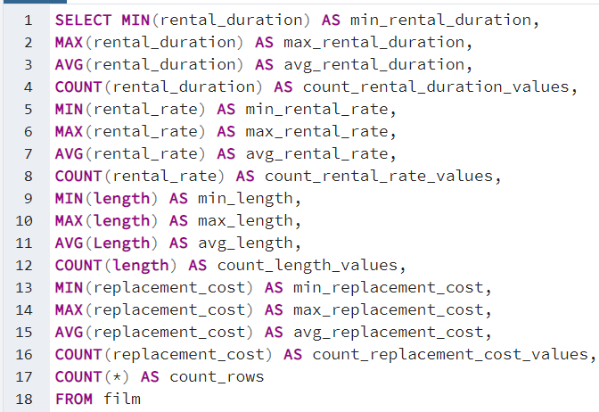 |  |  | Academy Dinosaur | A Action-Packed Character Study of a Astronaut And a Explorer who must Reach a Monkey in A MySQL Convention | 2006 | PG-13 | {Trailers, Commentaries, "Behind the Scenes"} | 'baloon':19 'confront':14 'documentari':5 'feminist':8,11,16 'mile':2 'must':13 'spi':1 'thrill':4
min_rental_rate | max_rental_rate | avg_rental_rate | count_rental_rate_values
0.99 | 4.99 | 2.98 | 1000
min_length | max_length | avg_length | count_length_values
46 | 185 | 115.272 | 1000
min_replacement_cost | max_replacement_cost | avg_replacement_cost | count_replacement_cost_values
9.99 | 29.99 | 19.984 | 1000
count_rows
1000

Customer Table
Modal_value_first_name | Modal_value_last_name | Modal_value_email | Modal_value_activebool | Modal_value_create_date | Modal_value_last_update | Modal_value_active
Jamie | Abney | aaron.selby@sakilacustomer.org | TRUE | 2006-02-14 | 0:49:46 | 1

